Sheet1
DATE | DESCRIPTION | QTY | BILLS | PRICE | SUBTOTAL | TOTAL
8-Oct-2025 | DISHY 5L | 4 | 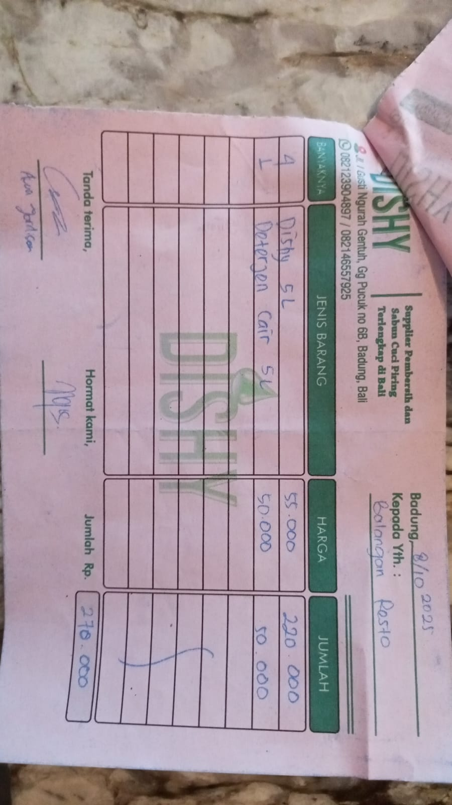 | Rp55,000 | Rp220,000 | Rp270,000
 | LIQUID DETERGENT 5L | 1 |  | Rp50,000 | Rp50,000
21-Oct-2025 | FLOOR CLEANER | 3 | 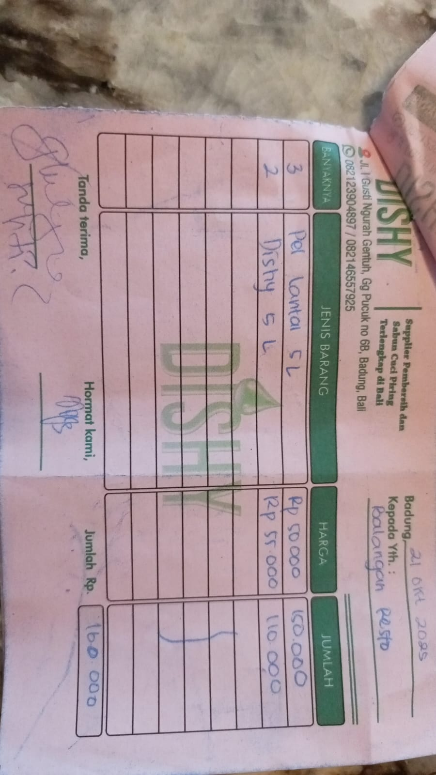 | 50000 | Rp150,000 | Rp260,000
 | DISHY 5L | 2 |  | 55000 | Rp110,000
27-Oct-2025 | HAND SANITIZER 5L | 1 | 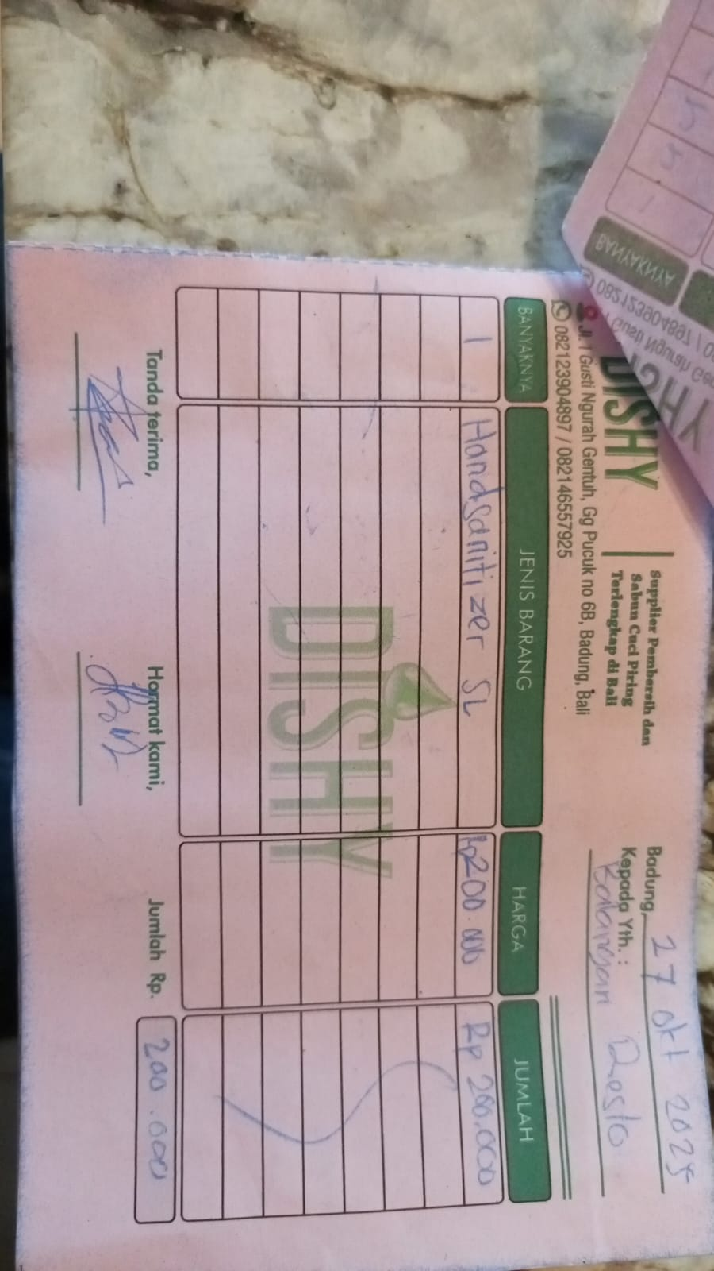 | 200000 | Rp200,000 | Rp200,000
30-Oct-2025 | LIQUID DETERGENT 5L | 1 | 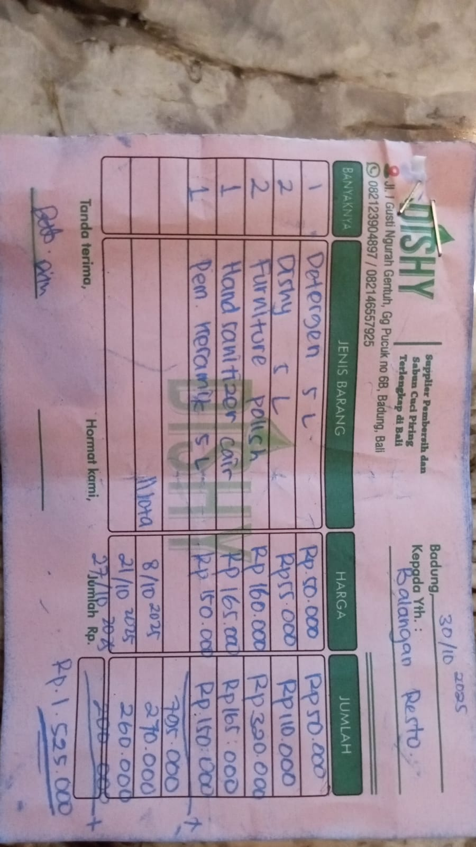 | 50000 | Rp50,000 | Rp795,000
 | DISHY 5L | 2 |  | 55000 | Rp110,000
 | FURNIITURE POLISH | 2 |  | 160000 | Rp320,000
 | HAND SANITIZER 5L | 1 |  | 165000 | Rp165,000
 | CERAMIIC CLEANER 5L | 1 |  | 150000 | Rp150,000
s |  |  |  |  |  | Rp1,525,000

